HardwareKit Specs
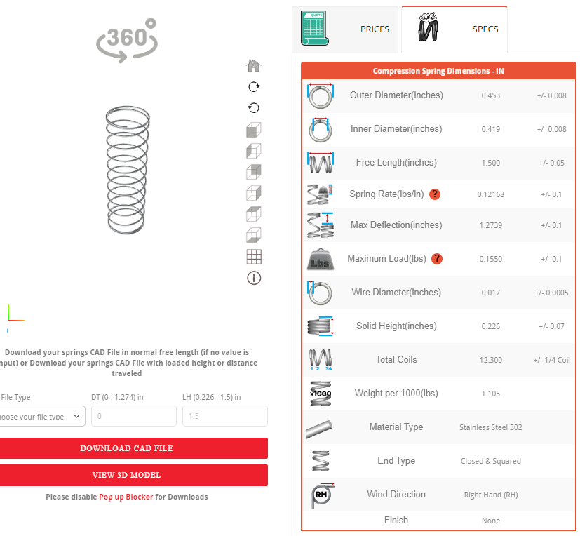
Part Name | Qty | Drawing/Specs
Compression Spring | 2

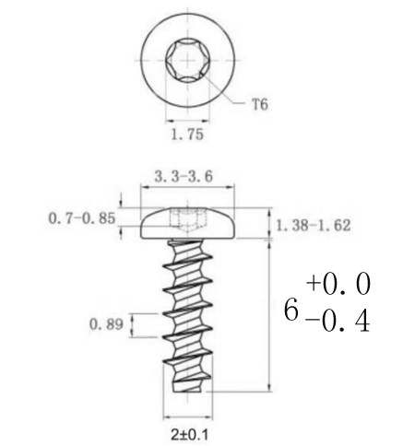
M2 x 4.5mm Tapping Screw | 5

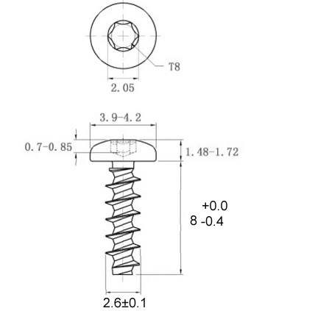
M2.6 x 8 mm Tapping Screw | 6

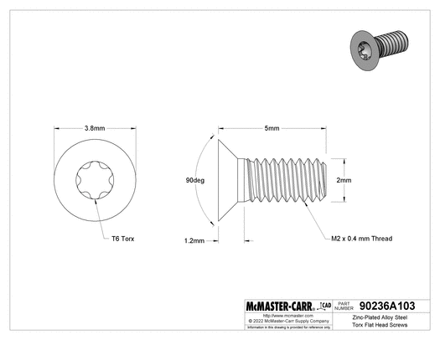
M2 x 0.4mm thread pitch, 5mm LONG Machine Screw | 3

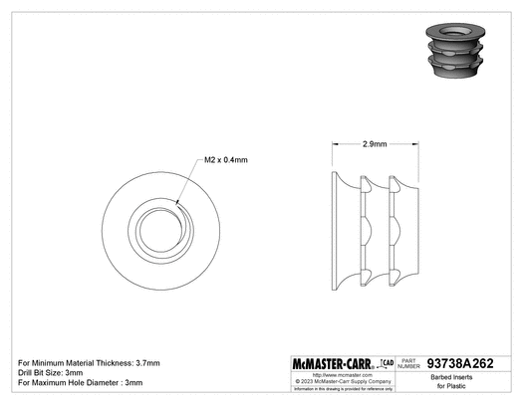
M2 x 0.4mm Thread Pitch Threaded Insert, 2.9mm Install | 3

